Foucs Area
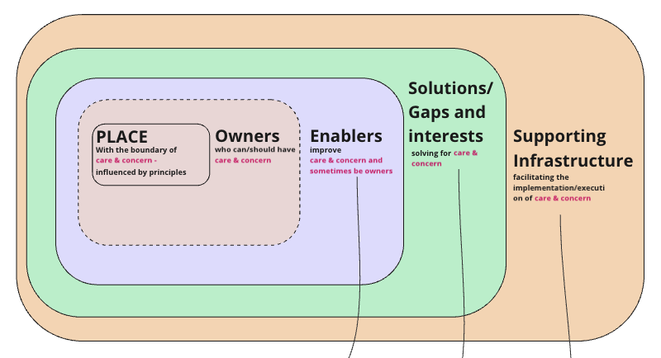
S.No | Focus Areas | Layer | Priorty | Role | Partners
1 | NGO ops | ? |  |  | Tech4Good
2 | Understanding of a Place | Place | nature-related Dependencies, Impacts, Risks, and Opportunities (DIRO). |  | Actors IOLI CoRE Strack Socrutus Eabler -
3 | More intigrated Solutions | Solutions
4 | Climate models |  |  |  | CSTEP
5 | Food Systems
6 | Urban | Infra | P1 |  | WRI - Transport
 |  |  |  |  | CSTEP : AQDMS | Check the Grove post by Lallani
 |  |  |  |  | Urban Biodiverdty : UBI

